Key Messages
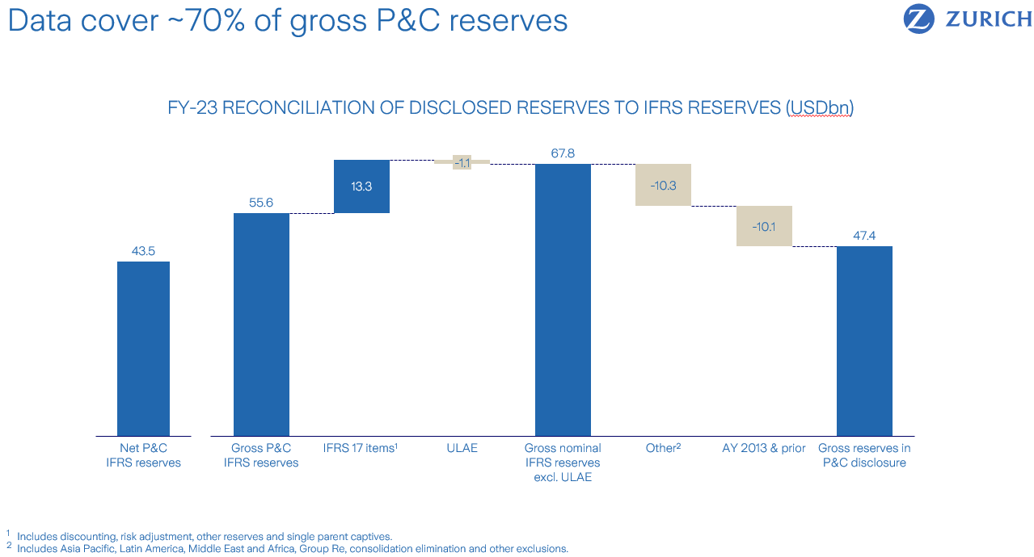
ZURICH PROPERTY & CASUALTY RESERVE DISCLOSURE 2023

1. Key messages

Reserve strength | We are confident in our approach and the strength of our reserves, with a consistent approach applied over 2023

Prior year development | Net PYD is 1.5 percent of Insurance Revenue in FY-23, in the middle of the 1-2 percent range

IFRS 17 | There were no changes to our reserving philosophy as we moved to IFRS 17. There have been some movements between lines of business and segments as part of the transition of IFRS 4 Reserve Strength to IFRS 17 Allowance for Limited Historic Experience (ALHE). In this disclosure, under IFRS 4 some portfolios were being shown as discounted, while under IFRS 17 they are being shown on an undiscounted basis

Data features | A number of features in the data need particular consideration when projecting these aggregated triangles, including the impact of large claims and catastrophes as well as the impact of COVID-19 delays and subsequent catch-ups

Comparison to Schedule P | For North America, these triangles remove certain distorting influences caused by intragroup reinsurance affecting the published US statutory data

2. Key features in the data

Using the data | > Data can be used for high-level assessment when accounting for data features > Over the year, a portfolio in North America has transferred to Non-Core business whilst another has been included in Europe which could lead to distortions when comparing to previous disclosures > Lines of business comprise a diverse mix of underlying products, coverage types and currencies which, when projected in aggregate can lead to higher or lower indications than held > COVID-19 caused temporary lags in claims reporting can be seen in calendar years 2020 and 2021, with subsequent catch-up in 2022 and 2023, which distort projections, particularly North America Liability and Auto > Data are provided gross of reinsurance. This can lead to distortions, for example North America captive business and external quota share reinsurance, or recoveries recognized at Group level but outside of the scope of the triangle data > The mechanical chain-ladder approach may not be appropriate for volatile lines or accident years subject to catastrophes, as well as for recent and less developed accident years in longer tail lines; Zurich employs a range of methods for projecting recent accident years

Catastrophe losses | > Catastrophes impacted recent accident years in North America and Europe, potentially distorting projections

Tail factors | > Some business is not fully paid after the 10-year period covered by the data, requiring a tail factor to project to ultimate. Tail factors require extrapolation of the triangle or use of external data

3. Reconciliation of disclosed reserves to IFRS reserves

DISCLAIMER
ZURICH P&C RESERVE DISCLOSURE 2023 |  |  | DATE OF ISSUE: | March 15, 2023

Disclaimer & Cautionary Statement

Certain statements in this document are forward-looking statements, including, but not limited to, statements that are predictions of or indicate future events, trends, plans or objectives of Zurich Insurance Group Ltd or the Zurich Insurance Group (the Group). Forward-looking statements include statements regarding the Group’s targeted profit, return on equity targets, expenses, pricing conditions, dividend policy and underwriting and claims results, as well as statements regarding the Group’s understanding of general economic, financial and insurance market conditions and expected developments. Undue reliance should not be placed on such statements because, by their nature, they are subject to known and unknown risks and uncertainties and can be affected by other factors that could cause actual results and plans and objectives of Zurich Insurance Group Ltd or the Group to differ materially from those expressed or implied in the forward-looking statements (or from past results). Factors such as (i) general economic conditions and competitive factors, particularly in key markets; (ii) the risk of a global economic downturn, in the financial services industries in particular; (iii) performance of financial markets; (iv) levels of interest rates and currency exchange rates; (v) frequency, severity and development of insured claims events; (vi) mortality and morbidity experience; (vii) policy renewal and lapse rates; (viii) increased litigation activity and regulatory actions; and (ix) changes in laws and regulations and in the policies of regulators may have a direct bearing on the results of operations of Zurich Insurance Group Ltd and its Group and on whether the targets will be achieved. Specifically in relation with the COVID-19 related statements, such statements were made on the basis of circumstances prevailing at a certain time and on the basis of specific terms and conditions (in particular applicable exclusions) of insurance policies as written and interpreted by the Group and may be subject to regulatory, legislative, governmental and litigation-related developments affecting the extent of potential losses covered by a member of the Group or potentially exposing the Group to additional losses if terms or conditions are retroactively amended by way of legislative or regulatory action. Zurich Insurance Group Ltd undertakes no obligation to publicly update or revise any of these forward-looking statements, whether to reflect new information, future events or circumstances or otherwise.
All references to 'Farmers Exchanges' mean Farmers Insurance Exchange, Fire Insurance Exchange, Truck Insurance Exchange and their subsidiaries and affiliates. The three Exchanges are California domiciled interinsurance exchanges owned by their policyholders with governance oversight by their Boards of Governors. Farmers Group, Inc. and its subsidiaries are appointed as the attorneys-in-fact for the three Exchanges and in that capacity provide certain non-claims services and ancillary services to the Farmers Exchanges. Neither Farmers Group, Inc., nor its parent companies, Zurich Insurance Company Ltd and Zurich Insurance Group Ltd, have any ownership interest in the Farmers Exchanges. Financial information about the Farmers Exchanges is proprietary to the Farmers Exchanges, but is provided to support an understanding of the performance of Farmers Group, Inc. and Farmers Reinsurance Company.
It should be noted that past performance is not a guide to future performance. Please also note that interim results are not necessarily indicative of full year results.
Persons requiring advice should consult an independent adviser.
This communication does not constitute an offer or an invitation for the sale or purchase of securities in any jurisdiction.
THIS COMMUNICATION DOES NOT CONTAIN AN OFFER OF SECURITIES FOR SALE IN THE UNITED STATES; SECURITIES MAY NOT BE OFFERED OR SOLD IN THE UNITED STATES ABSENT REGISTRATION OR EXEMPTION FROM REGISTRATION, AND ANY PUBLIC OFFERING OF SECURITIES TO BE MADE IN THE UNITED STATES WILL BE MADE BY MEANS OF A PROSPECTUS THAT MAY BE OBTAINED FROM THE ISSUER AND THAT WILL CONTAIN DETAILED INFORMATION ABOUT THE COMPANY AND MANAGEMENT, AS WELL AS FINANCIAL STATEMENTS.

ZURICH IR TEAM

Jon Hocking | +41 76 478 73 96 | jon.hocking@zurich.com
Francesco Bonsante | +41 44 628 00 68 | francesco.bonsante@zurich.com
Michèle Matlock | +41 44 625 28 50 | michele.matlock@zurich.com
Johannes Herholdt | +41 44 625 25 53 | johannes.herholdt@zurich.com
Samuel Han | +41 44 625 32 57 | samuel.han@zurich.com

