1 Targets - highlights
Go to Index
 | Our targets and ambitions

 | Investment management

 | Reduction of financed emissions

 | Reduce emissions intensity of listed equity and corporate bond investments (metric tons CO2e/USD million invested) (compared to 2019) |  | Reduce emissions intensity of direct real estate investments (kgCO2e/m2) (compared to 2019)

 | 2024 Progress | 54% | 2023 Progress | 30%
 | 2025 Target | 25% | 2025 Target | 30%

 | Engagement |  | Impact investing portfolio
 | Engage companies producing 65% of financed emissions that have not set science-based targets |  | Share a total invested assets in impact investments

 | 2024 Progress | 65% | 2024 Progress | 5.3%
 | 2025 Target | 65% | By 2025 Target | 5.0%

 | Climate solutions investments

 | Allocation to climate solutions investments

 | Underwriting

 | Revenues from sustainable solutions (in USDm) |  | Engagement with customers on their transitions (no. of customers)

Annual Increase

 | 2023 Progress | 1360
 | 2043 Progress | 1702
 | By 2025 Target | 0

 | Reduction in insurance-associated emissions intensity4
 | (metric tons CO2e/USD million) (compared to 2022)

 | Our people

 | Internal hires

 | 2023 Progress2 | 73.4%
 | 2024 Progress | 72.8%
 | By 2025 Target | 0%

 | Own operations and supply chain

 | Absolute reduction in all operational emissions (compared to 2019)3 |  | Reduction of scope 1 and 2 emissions (compared to 2019)3

 | 2024 Progress | 69% | 2024 Progress | 62%
 | By 2025 Target | 60% | By 2025 Target | 62%

 | Reduction of scope 3 emissions3,5 (compared to 2019) |  | % of MPS6 that is with suppliers having science-based targets7

 | 2024 Progress | 71% | 2024 Progress | 59%
 | By 2025 Target | 60% | By 2025 Target | 75%

 | % of MPS6 that is with suppliers having science-based targets8

 | 2024 Progress | 52%
 | By 2030 Target | 75%

 | 1 See pages 206 to 207 of the Appendix for more detail on our targets and ambitions.
 | 2 As of 2023, we included Farmers Group, Inc. and Cover-More. The internal hiring rate of career level A excludes external hires, as these positions are, by nature, mainly filled by external career starters, meaning the internal hiring rate of career level A is always 100 percent. The total % for 2024 (independent of career level) is also calculated without taking career level A external hires into account.
 | 3 Cover-More, Farmers Group, Inc. and its subsidiaries, our joint ventures with Banco Sabadell and Banco Santander, smaller businesses like Real Garant and Orion, as well as third party vendors are excluded as well as our new acquisitions Zurich Kotak and Travel Guard.
 | 4 Determined by scope 1 & 2 for our customers’ emissions using the PCAF IAE methodology for commercial lines, covering customers with revenues greater than USD 1 billion.
 | 5 Resulting from air, rental and rail business travel, employee commuting, strategic data centers, printed paper and waste, as well as indirect energy impact.
 | 6 MPS means the spend of approximately USD 2 billion annually managed centrally by Zurich’s Procurement and Vendor Management function on goods and services that are required to enable Zurich to maintain and develop its operations. According to the 2023 baseline of MPS, excluding suppliers no longer active in the year of reporting.
 | 7 We consider a supplier to have science-based targets when their emission reduction targets are approved by the SBTi, a similar scientifically accredited body or otherwise require a reduction of at least 42 percent in scope 1 and 2 emissions.
 | 8 We consider a supplier to have net-zero targets when their net-zero target is approved by the SBTi, a similar scientifically accredited body or otherwise has a public target to neutralize any residual scope 1 and 2 emissions.

3 NatCat modeling
Go to Index
 |  | Natural catastrophe modeling: current exposure to physical risk

 |  | Annual Expected Loss |  |  |  | Probable Maximum Loss |  |  |  |  | Probable Maximum Loss

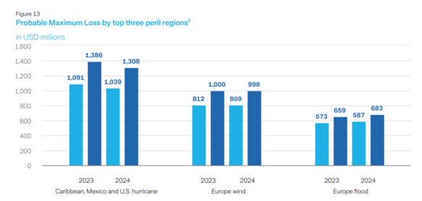
 | SR: Figure 11 | Annual Expected Loss for top five peril regions¹ |  |  | SR: Figure 12 | Swiss Solvency Test (SST) by risk type and climate-related perils as proportion of natural catastrophe total SST |  |  |  | SR: Figure 13 | Probable maximum loss by top three peril regions1 |  |  |  |  | SR: Table 2 | Total amount of net losses1
 |  | in USD millions |  |  |  |  |  |  |  |  | in USD millions
 |  |  |  |  |  | SST total risk capital contribution by risk type |  | Climate-related perils as a fraction of nat cat
 |  |  |  |  |  |  |  | SST total risk capital¹ |  |  |  |  |  |  |  |  | Event name (by event and region) | Total net losses in USDm (2024)
 |  |  |  |  |  |  |  |  |  |  |  |  |  |  |  |  | Hurricane Helene (hurricane, North America) | 250
 |  |  |  |  |  |  |  |  |  |  |  |  |  |  |  |  | Total | 250

 |  |  |  |  |  |  |  |  |  |  |  |  |  |  |  |  | 1 Only events above USD 200 million are reported.

 |  |  |  |  |  | ● Market risk | 54% | ● North America hurricane | 28% |  | ● 50 Year ● 100 Year
 |  |  | 2024 | 2023 |  | ● Premium & reserve risk | 27% | ● Europe wind | 8%
 |  | CB, MX and U.S.2 hurricane | 206 | 217 |  | ● Business risk | 7% | ● Europe flood | 3% |  | Peril Region | 2024 | 2024 | 2023 | 2023
 |  | U.S. Severe convective storm (hail and tornado) | 200 | 216 |  | ● Natural catastrophe risk | 6% | ● Other climate-related | 6% |  |  | 50 year | 100 year | 50 year | 100 year
 |  | EU wind | 169 | 168 |  | ● Life insurance risk | 4% | ● Non-climate related | 55% |  | Caribbean, Mexico and U.S. hurricane | 1,091 | 1,386 | 1,008 | 1,319
 |  | Central EU hail3 | 152 | 112 |  | ● Other credit risk | 2% |  |  |  | Europe wind | 812 | 1,000 | 720 | 898
 |  | EU flood4 | 119 | 104 |  |  |  |  |  |  | Europe flood | 573 | 659 | 523 | 604

 |  | 1 AEL excludes Farmers Re’s participation in the Farmers Exchanges’ all lines quota share treaty of 8 percent as of December 31, 2024. This treaty contributes to Zurich Group’s AEL for U.S. severe convective storm with USD 85 million and for U.S. hurricane with USD 16 million. |  |  |  | 1 The natural catastrophe SST total risk capital is defined by the 1 percent worst annual losses. These are driven by peril regions with large potential losses beyond 100-year return period (e.g., North America hurricane). |  |  |  |  | 1 PML excludes Farmers Re’s participation in the Farmers Exchanges’ all lines quota share treaty of 8 percent as of December 31, 2024. This treaty increased Zurich Group’s PML for US hurricane by USD 81 million for the 50-year PML and by USD 96 million for the 100-year PML.
 |  | 2 The geographic scope includes correlated exposure in the CB and in MX. The AEL for U.S. hurricane only is USD 184 million in 2024.
 |  | 3 The scope of the Central EU hail model was extended to also include Czech Republic, Denmark, Estonia, Finland, Great Britain, Hungary, Ireland, Latvia, Lithuania, Luxembourg, Norway, Poland, Slovakia, Slovenia and Sweden.
 |  | 4 The scope of the EU flood model was extended to also include Denmark, Finland, France, Ireland, Luxembourg, Netherlands, Norway, Poland, Portugal and Sweden.

4 Climate-related scenario an.
Go to Index
 |  | Climate-related scenario analysis

 | SR: Figure 16 | Potential climate change-related impacts to our underwriting portfolio under current policies and net-zero 2050 scenarios with strategically aligned responses |  |  |  |  |  |  | SR: Figure 17 |  | Estimated impact on listed equity portfolio across net-zero 2050 and current policies scenarios in comparison to a well-diversified global equity benchmark1 |  |  |  |  |  |  | SR: Figure 18 |  | Estimated impact on corporate bond portfolio across net-zero 2050 and current policies scenarios in comparison to a well-diversified global benchmark1

 |  |  |  | Demand impacts |  |  | Loss impacts |  |  |  |  | Sector weights |  | Net-zero 2050 |  | Current policies |  |  |  |  | Sector weights |  | Net-zero 2050 |  | Current policies
 |  | Sector | Line of business | Portfolio weight | Current policies | Net-zero 2050 | Current policies | Net-zero 2050 |  |  | Sector | IM Portfolio | Benchmark | IM Portfolio | Benchmark | IM Portfolio | Benchmark |  |  | Sector | IM Portfolio | Benchmark | IM Portfolio | Benchmark | IM Portfolio | Benchmark
 |  | All sectors | Retail and commercial motor |  |  |  |  |  |  | Relative impact per industry sector | Energy |  |  |  |  |  |  |  | Relative impact per industry sector | Energy
 |  | All sectors | Property |  |  |  |  |  |  |  | Non-energy materials |  |  |  |  |  |  |  |  | Non-energy materials
 |  | Construction | - |  |  |  |  |  |  |  | Consumer cyclicals |  |  |  |  |  |  |  |  | Consumer cyclicals
 |  | Financial services | - |  |  |  |  |  |  |  | Consumer non-cyclicals |  |  |  |  |  |  |  |  | Consumer non-cyclicals
 |  | Agriculture | - |  |  |  |  |  |  |  | Business services |  |  |  |  |  |  |  |  | Business services
 |  | Heavy industry and mining | - |  |  |  |  |  |  |  | Consumer services |  |  |  |  |  |  |  |  | Consumer services
 |  | Fossil fuels | - |  |  |  |  |  |  |  | Telecommunications |  |  |  |  |  |  |  |  | Telecommunications
 |  | Power | - |  |  |  |  |  |  |  | Industrials |  |  |  |  |  |  |  |  | Industrials
 |  | All sectors | Life protection |  |  |  |  |  |  |  | Finance |  |  |  |  |  |  |  |  | Finance
 |  |  |  |  |  |  |  |  |  |  | Healthcare |  |  |  |  |  |  |  |  | Healthcare
 |  |  |  |  |  |  |  |  |  |  | Technology |  |  |  |  |  |  |  |  | Technology
 |  |  |  |  |  |  |  |  |  |  | Utilities |  |  |  |  |  |  |  |  | Utilities
 |  | Portfolio weight (% of GWP) |  | Impact thresholds
 |  | ● High (>10%) |  | ● High risk (relevant for consideration Group response)
 |  | ● Medium (5–10%) |  | ● Medium risk |  |  |  |  |  |  | Sector weight (% of listed equity portfolio) |  | Impact thresholds |  |  |  |  |  |  | Sector weight (% of credit portfolio) |  | Impact thresholds
 |  | ● Low (<5%) |  | ● Low risk |  |  |  |  |  |  | ● High (>10%) |  | ● Very high risk |  | ● Moderately low risk |  |  |  |  | ● High (>10%) |  | ● Very high risk |  | ● Moderate risk
 |  |  |  | ● Low growth |  |  |  |  |  |  | ● Medium (5–10%) |  | ● High risk |  | ● Low risk |  |  |  |  | ● Medium (5–10%) |  | ● High risk |  | ● Moderately low risk
 |  |  |  | ● Medium growth |  |  |  |  |  |  | ● Low (<5%) |  | ● Moderately high risk |  | ● Opportunity |  |  |  |  | ● Low (<5%) |  | ● Moderately high risk |  | ● Low risk
 |  |  |  | ● High growth |  |  |  |  |  |  |  |  | ● Moderate risk

 |  | Definition of terms used: Sector: Industry group of the customer base except for transport, which was considered together with the total motor book, and property, which was considered across industry due to the overarching impact of physical risk associated with climate change. Weight in underwriting portfolio: Indicates how much the sector/geography/line of business being considered contributes to the overall underwriting portfolio. Demand impacts: High, medium and low risk relate to the potential decline in premium volume due to the various scenarios whereas high, medium and low growth indicate that there is a potential increase in premium due to the changing landscape driven by transition. Loss impacts: High, medium and low as above relate to the potential increase in losses in each sector if no strategic or mitigating action is taken as part of the underwriting strategy. |  |  |  |  |  |  |  |  | 1 The sector heatmap is calibrated to highlight relative impact per industry sector. Aggregate scenario level impacts are assessed in relation to our definition of financial materiality. |  |  |  |  |  |  |  |  | 1 The sector heatmap is calibrated to highlight relative impact per industry sector. Aggregate scenario level impacts are assessed in relation to our definition of financial materiality.

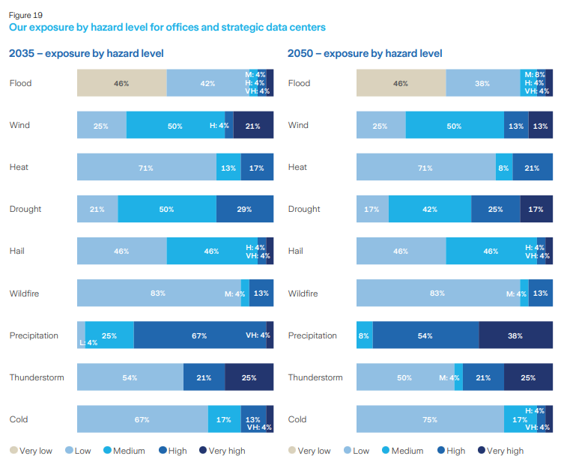
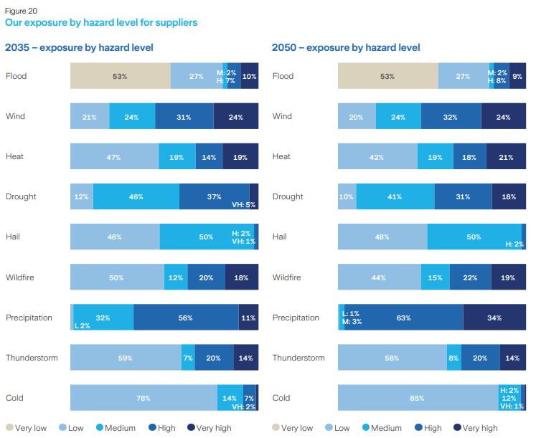

5 Engagement for the transition
Go to Index
 | Engagement for the transition

SR: Table 4 | Insurance-associated emissions: Baseline and target

 | Insurance-associated emissions from large corporate customers (revenues greater than USD 1 billion) | Unit | 2022 (baseline) | Target (if applicable)
 | Absolute IAE (scope 1 & 2) | million metric tons CO2e | 1.7
 | IAE Intensity (scope 1 & 2) | t CO2e / USDm | 234 | 20% reduction by 2030
 | PCAF weighted average data quality score | 1 - 5 | 2.9

SR: Table 5 | Engagement: Baseline and target

 | Engagement | Unit | 2024 | Target (target year)
 | Engagements conducted | Number of customers | N/A1 | 450 of our large insurance customers who contribute most heavily to our portfolio emissions (2030)
 | Engagements conducted | Number of customers | N/A1 | 65 of our large insurance customers who contribute most heavily to our portfolio emissions: Sept 24 - Sept 25

 | 1 First reporting in 2025.

SR: Table 6 | Engagement progress

 |  | 2024 | 2023
 | Engagement started | 65% | 60%
 | Engagement not started | 0% | 5%
 | = Target | 65% | 65%
 | Started engagements undertaken…
 | Collectively | 25% | 25%
 | Bilaterally | 40% | 34%
 | ...with outcome
 | Failed1 | 16% | 16%
 | Ongoing2 | 31% | 24%
 | Succeeded3 | 18% | 20%

 | Note: All percentages correspond to percent of financed emissions in 2019 (baseline) without net-zero targets, cumulative progress since December 31, 2019.
 | 1 Engagement considered as failed under the thermal coal, oil sands and oil shale policy if it became clear the company would neither move under the 30 percent threshold nor set net-zero targets and was hence excluded; or that a company approached under the net-zero program refuses to set science-based net-zero targets.
 | 2 Engagement considered as ongoing includes when a first contact is established with the company to engage in a meaningful conversation.
 | 3 Engagement considered as succeeded if a company has publicly committed to science-based net-zero targets (under SBTi) or an equivalent scientific verification body, referring to Zurich only as a contributor to the outcome.

SR: Figure 23 | Engagement progress for top 10 emitters without science-based targets (SBT)1
 | Financed emissions %

 | ● Succeeded – target set ● Succeeded – target committed ● Failed – excluded (thermal coal)2 ● Ongoing – collective ● Ongoing – billateral

 | Top 10 Emitters | % of emissions w/o target
 | Company 1 | 6.1
 | Company 2 | 4.7
 | Company 3 | 3.2
 | Company 4 | 3.0
 | Company 5 | 2.2
 | Company 6 | 1.7
 | Company 7 | 1.5
 | Company 8 | 1.4
 | Company 9 | 1.4
 | Company 10 | 1.2

 | 1 Company grouping according to our proprietary methodology, which considers ownership and operational control structures (corresponding to financed emissions using 2019 baseline data).
 | 2 Failed engagement under thermal coal program means the company was added to the restricted list and hence equity exposure was divested and credit exposure put in run-off.

SR: Figure 24 | Top 10 emitters without science-based targets (SBT) by sector and region1

 | Top 10 emissions by sector |  |  | Top 10 emitters by region

 | ● Utility | 67.9% |  | ● EMEA | 49.2%
 | ● Metal and mining | 12% |  | ● APAC | 45.6%
 | ● Governement owned, no guarantee | 13.8% |  | ● Americas | 5.3%
 | ● Energy | 6.3%

 | 1 Corresponding to financed emissions in 2019 (baseline data).

7 Proxy voting
Go to Index
SR: Figure 29 | Proxy voting

 | Our voting activities |  | Our voting behavior

 | ● Votes cast 1 | 72% | ● Voted with management1 | 63%
 | ● No votes cast | 28% | ● Voted against management1 | 8%
 |  |  | blank | 29%

 | 1 Not all votes cast can be allocated to “with” or “against” management. Those explain the difference between our votes cast of 72% and our voting behavior of 71%.

8 Impact investing
Go to Index
 | Impact investing

SR: Figure 30 | Impact metrics

 | 3.9 million metric tons CO2e emissions avoided |  |  | 5.3 million people benefited by positive contribution to the lives and livelihoods

 | ● Green, Social and Sustainability bonds | 94.9% |  | ● Green, Social and Sustainability bonds |  |  | 61.8%
 | ● Impact infrastructure private debt | 3% |  | ● Impact infrastructure private debt |  |  | 37.8%
 | ● Impact private equity | 2.1% |  | ● Impact private equity |  |  | 0.4%

SR: Table 16 | Impact investing portfolio

 |  | 2024 | 2023 | Change (2024 to 2023) | 2022 | 2021 | 2020 | 2019
 | Total amount of impact investments (USD millions) | 8,460 | 7,882 | 7% | 6,328 | 7,037 | 5,770 | 4,555
 | Total amount of impact investments - environmental share | 70% | 73% |  | 73% | 73% | 77% | 80%
 | Total amount of impact investments - social share | 30% | 27% |  | 27% | 27% | 23% | 20%
 | Green, social & sustainability bonds (USD millions) | 7,502 | 6,857 | 9% | 5,247 | 5,846 | 4,677 | 3,645
 | Impact private equity (USD millions) | 210 | 216 | -3% | 213 | 211 | 189 | 163
 | Impact infrastructure private debt (USD millions) | 748 | 808 | -7% | 867 | 980 | 904 | 747

10 Sustainable revenues
Go to Index
 | Revenues from sustainable solutions

SR: Figure 31 | Revenues from sustainable solutions split by region & sustainable category |  |  |  |  |  |  | SR: Figure 32 |  | Revenues from sustainable solutions by product category
 | In USD millions |  |  |  |  |  |  |  |  | In USD millions

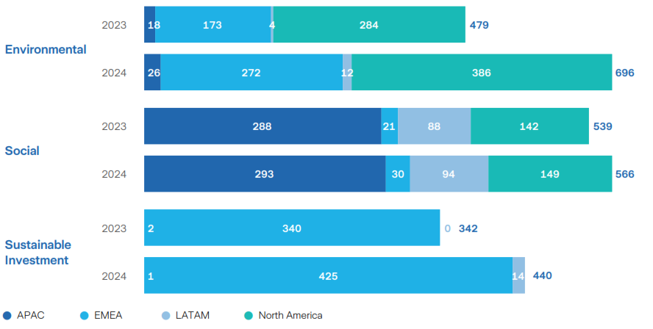
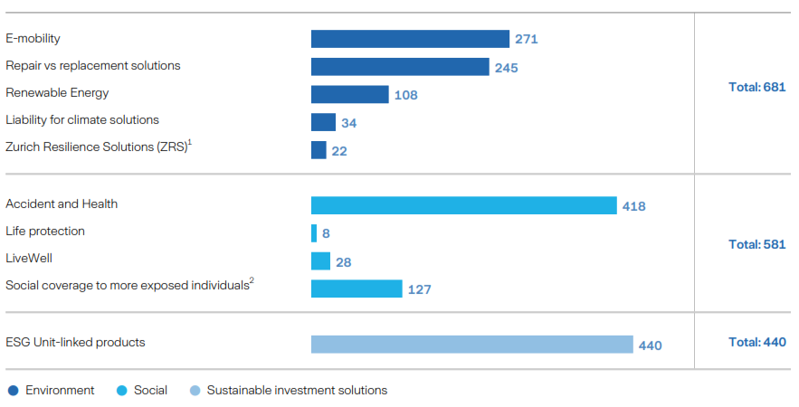

 |  |  |  |  |  |  |  |  | 1 ZRS predominantly consists of environmental solutions, and was therefore allocated to the environmental category with the following split, USD 12.3 million for environmental and USD 9.2 million for social solutions.
 |  |  |  |  |  |  |  |  | 2 Social coverage to more exposed individuals predominantly consist of social solutions, and was therefore allocated to the social category with the following split, USD 102.6 million for social solutions and USD 24.2 million for environmental.

 | Source | Year | APAC | EMEA | LATAM | North America | Total |  |  |  | Sustainable Investment | Social | Environmental
 | Environmental | 2023 | 18 | 173 | 4 | 284 | 479 |  |  | E - mobility |  |  | 271
 | Environmental | 2024 | 26 | 272 | 12 | 386 | 696 |  |  | Repair vs replacement solutions |  |  | 245
 | Social | 2023 | 288 | 21 | 88 | 142 | 539 |  |  | Renewable Energy |  |  | 108
 | Social | 2024 | 293 | 30 | 94 | 149 | 566 |  |  | Liability for Climate solutions |  |  | 34
 | Sustainable Investment | 2023 | 2 | 340 | 0 | 0 | 342 |  |  | Zurich Resilience Solutions (including Climate Change Resilience Services) |  |  | 22
 | Sustainable Investment | 2024 | 1 | 425 | 0 | 0 | 440 |  |  | Accident and Heatlh |  | 418
 |  |  |  |  |  |  |  |  |  | Life protection |  | 8
 |  |  |  |  |  |  |  |  |  | LiveWell |  | 28
 |  |  |  |  |  |  |  |  |  | Social coverage to more exposed individuals |  | 127
 |  |  |  |  |  |  |  |  |  | ESG Unit linked products | 440
 |  |  |  |  |  |  |  |  |  | Total | 440 | 581 | 681

